Transitive Dependencies
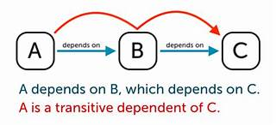
A transitive dependency in a Database Management System (DBMS) occurs when a non-key attribute depends on another non-key attribute, which in turn depends on a key attribute. This creates an indirect relationship between the non-key attribute and the key attribute.

For example, consider a table with attributes A, B, and C: If A → B (A determines B) And B → C (B determines C) Then A → C (A indirectly determines C through B) This is a transitive dependency because C is indirectly dependent on A through B

To achieve the Third Normal Form (3NF) in database normalization, transitive dependencies must be eliminated. This helps in reducing redundancy and improving data integrity

